Affordable + Retail
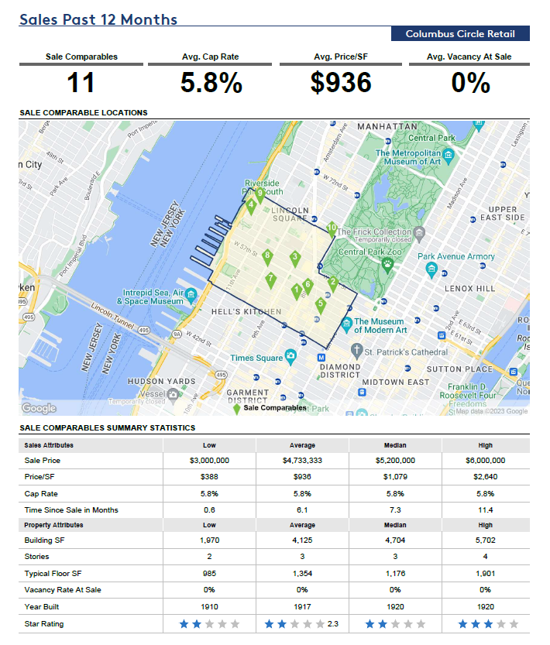
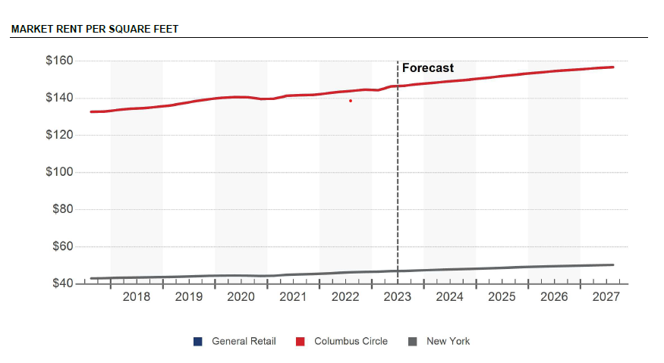
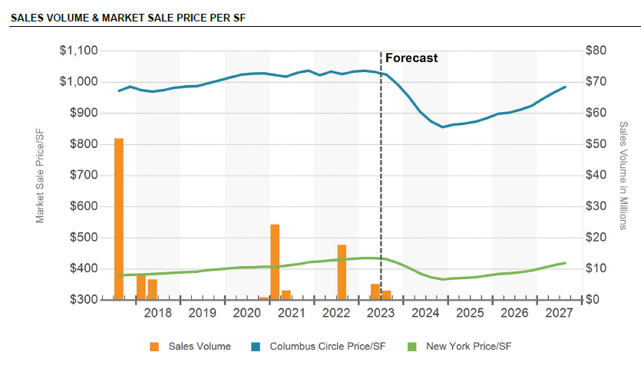
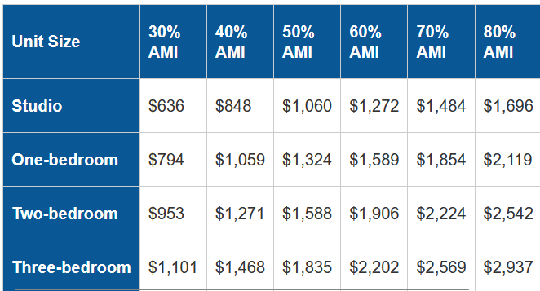
Affordable
Affordable NSF |  | 99,989
Affordable Rent / SF @ 60% AMI |  | $35.19
Avg Unit Size |  | 700
Units |  | 143
Annual Rent |  | $3,518,375
Vacancy | 3% | ($105,551)
Expenses | 30% | ($1,055,513)
Annual NOI |  | $2,357,311
Cap Rate |  | 8.00%
Sale Value |  | $29,466,392
Price / SF |  | $295

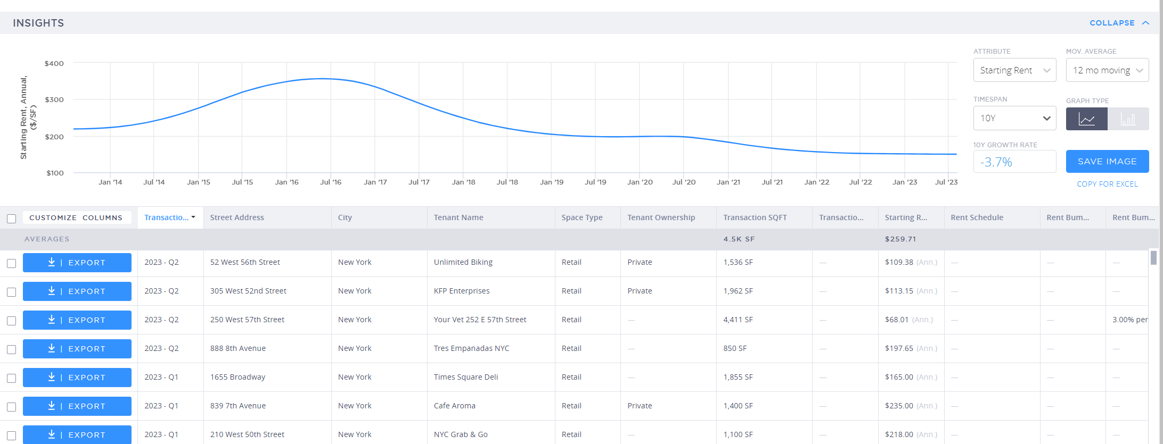
Retail
Retail Above Ground GSF |  | 5,000
Retail Below Ground GSF |  | 10,000
Loss Factor |  | 10.00%
Retail Above Ground NSF |  | 4,500
Retail Below Ground NSF |  | 9,000
Above Ground Rent MG SF |  | $149.00
Below Ground Rent MG SF |  | $100.00
Annual Rent |  | $1,570,500
Expenses | 20% | ($314,100)
Annual NOI |  | $1,256,400
Cap Rate |  | 5.80%
Sale Value |  | $21,662,069
Price / SF |  | $1,444

